Caveat
© Murray-Darling Basin Authority 2018
Ownership of intellectual property rights
Unless otherwise noted, copyright (and any other intellectual property rights, if any) in this publication is owned by the Commonwealth of Australia (referred to as the Commonwealth).
Creative Commons licence
All material in this publication is licensed under a Creative Commons Attribution 4.0 International Licence except content supplied by third parties, logos and the Commonwealth Coat of Arms.
Inquiries about the licence and any use of this document should be emailed to communications@mdba.gov.au
Cataloguing data
This publication (and any material sourced from it) should be attributed as: Hydrological model data for the Northern Basin Reveiw, Murray-Darling Basin Authority Canberra, 2018. CC BY 4.0.
This publication is available at mdba.gov.au/publications.
Murray-Darling Basin Authority
Postal address GPO Box 1801 Canberra ACT 2601
Telephone (02) 6279 0100
Web mdba.gov.au
The Australian Government acting through the Murray-Darling Basin Authority has exercised due care and skill in preparing and compiling the information and data in this publication. The information or data in this publication uses computer-based mathematical models. It is important to note that the models are dependent spatially and temporally on both the data available and the set up of each model. Notwithstanding, the Murray-Darling Basin Authority, its employees and advisers disclaim all liability, including liability for negligence and for any loss, damage, injury, expense or cost incurred by any person as a result of accessing, using or relying upon any of the information or data in this publication to the maximum extent permitted by law.

Map
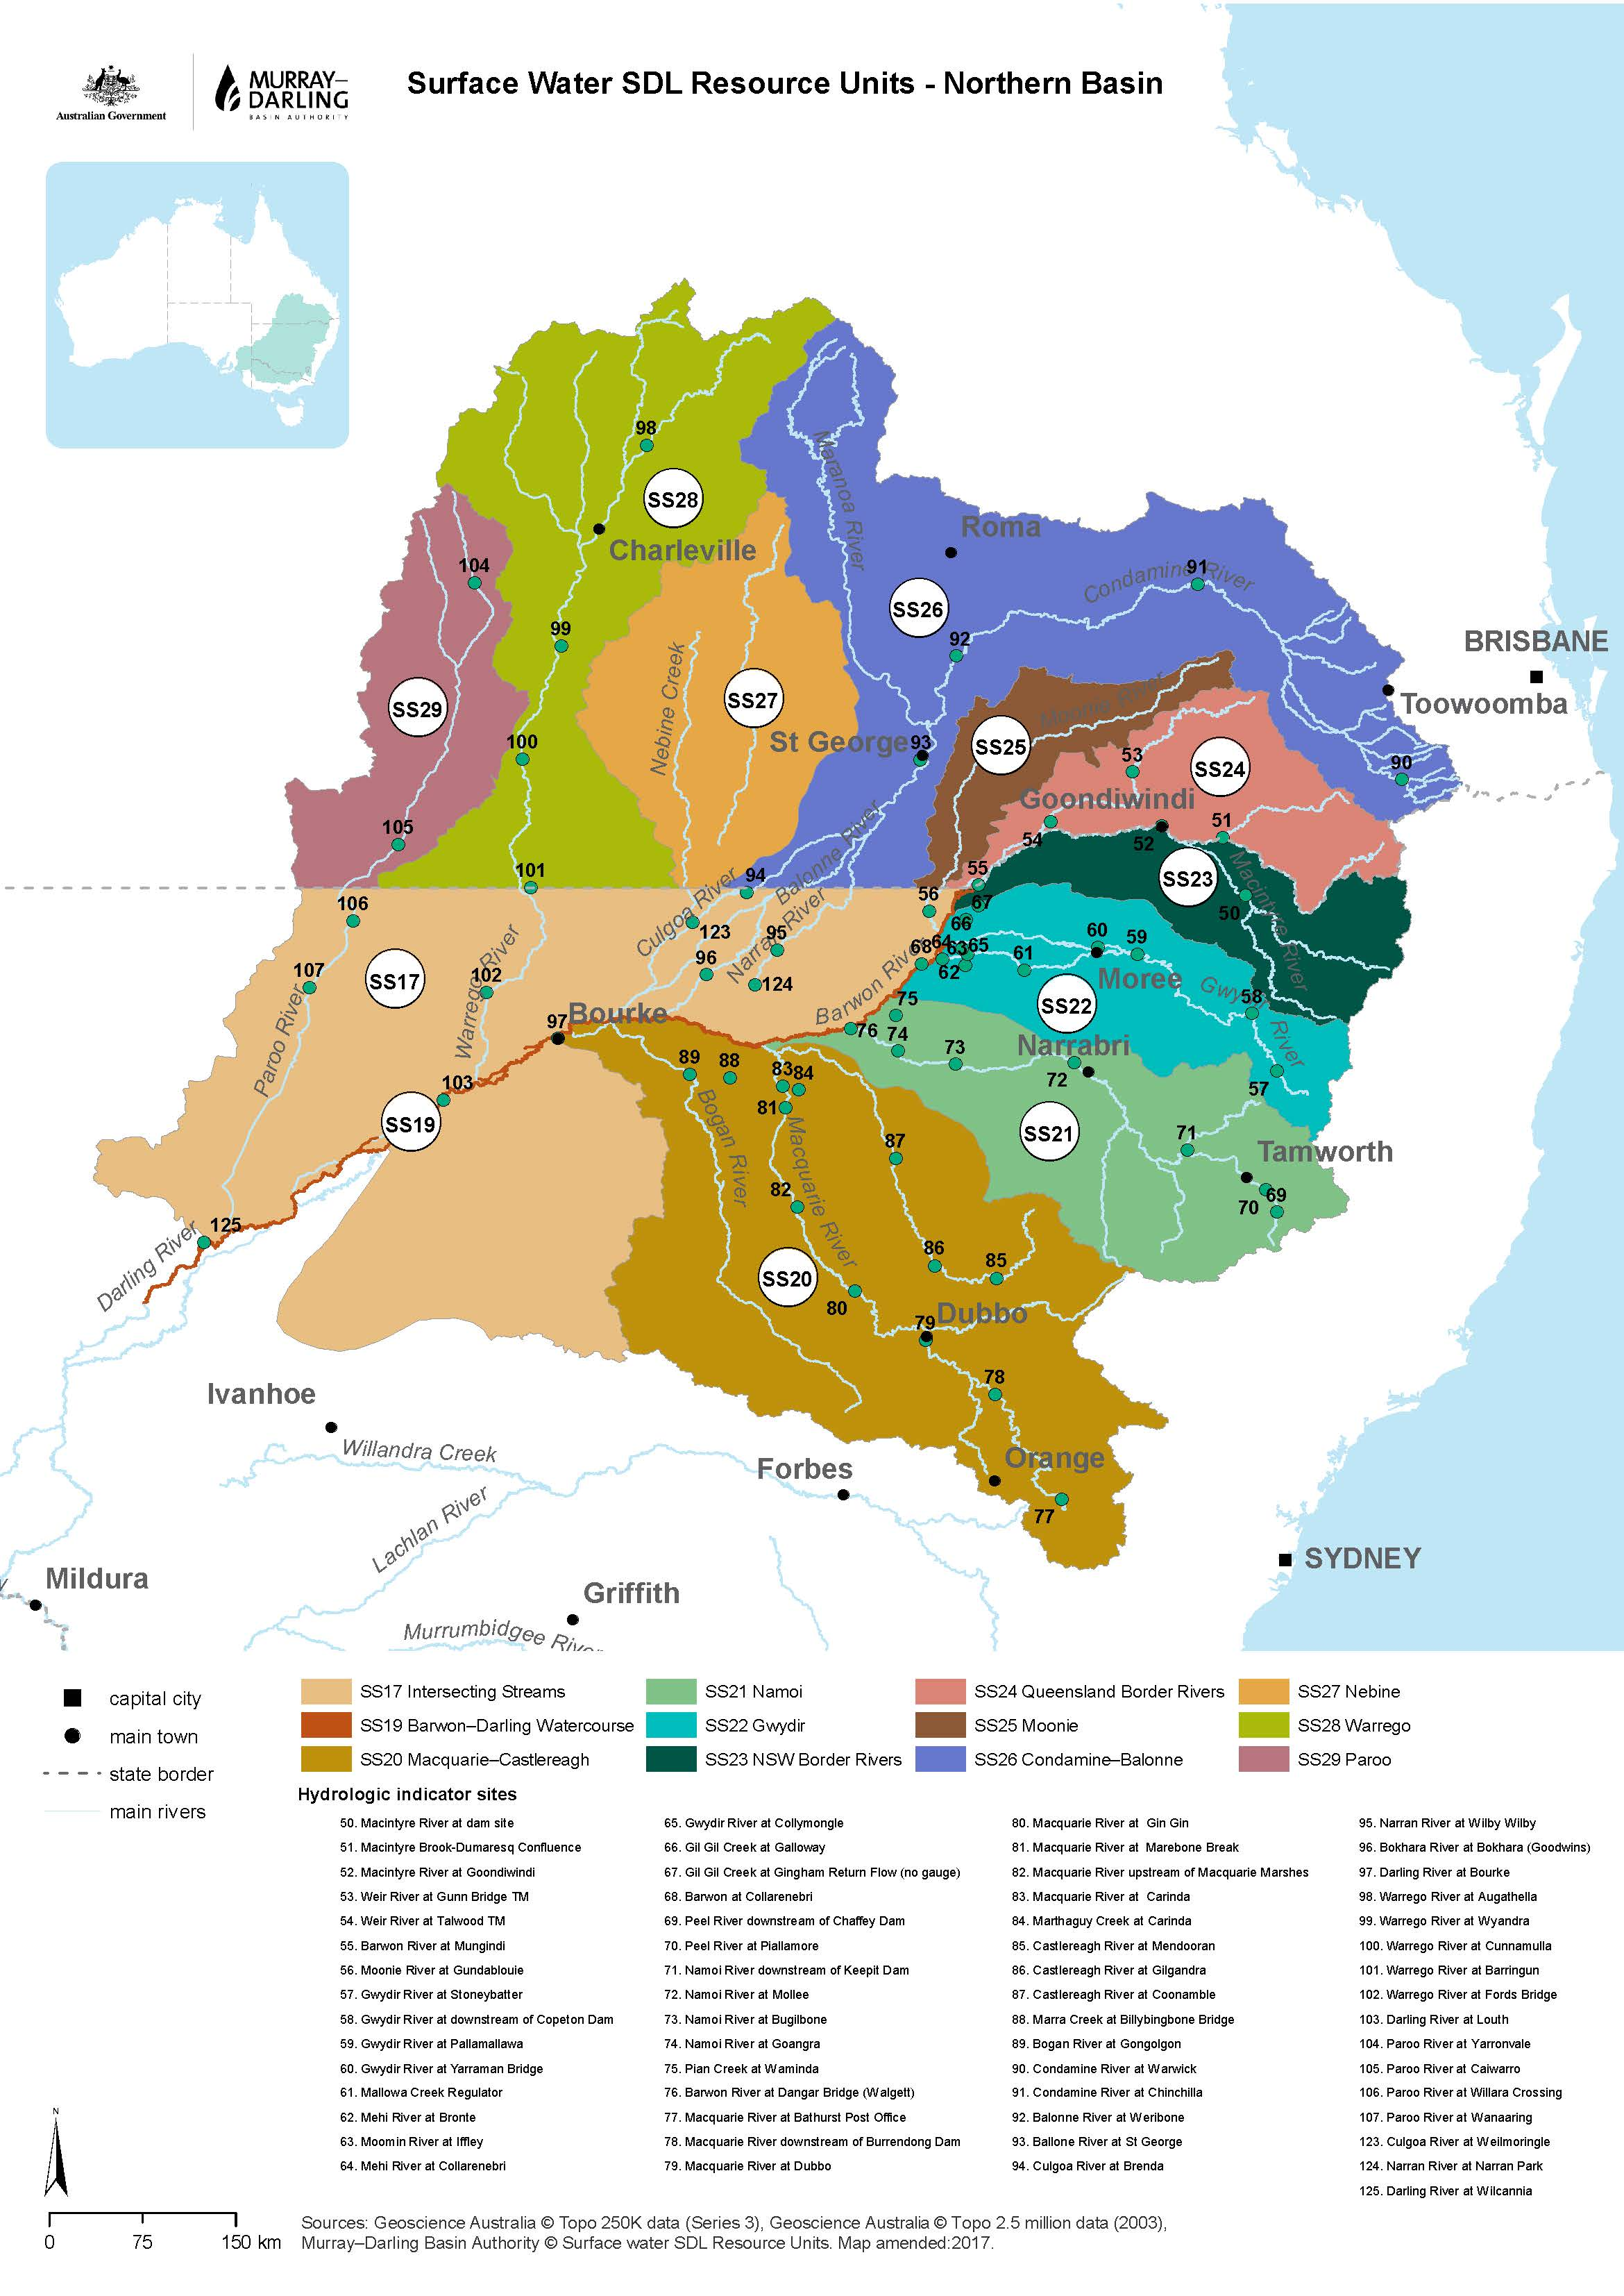

Notes
The workbook details the apportionment of water recovery in Northern Basin Reveiw Hydrological Modelling.
MDBA advises that the modelling information released to support “The Basin Plan (referred as “the Plan” from here on)” is indicative only.
Users must be aware that:
1 If there are any conflicts between model results and the Plan, the Plan always takes precedence;
2 Models are complex computer based mathematical representations of river systems, management rules and water allocation arrangements. The accuracy of models are dependent spatially and temporally on the data available for their calibration and validation, the range of climatic conditions for which this data is available, and whether model set up is fit for purpose.
3 Model results do not fully represent the Basin’s water resources as described in the Plan. For example, interceptions are mostly not included in the models and models do not cover all diversions from the basin.
4 Model results do not fully represent the Basin’s environmental water requirements as described in the Plan. For example, environmental water requirements of the Coorong, Lower Lakes and Murray Mouth and some of the high flow environmental water requirements are not explicitly modelled.
5 Limitations in the models and uncertainties in the model results mean that models are only one of the lines of evidence used by the MDBA.
6 Some information in these model output files may be covered by third party Intellectual Property, therefore before publishing of any results based on this work, MDBA should be consulted for appropriate acknowledgement of the Intellectual Property owners.
The views, opinions and conclusions expressed by the authors in this information resource are not necessarily those of the Murray-Darling Basin Authority or the Commonwealth. To the extent permitted by law, the Murray-Darling Basin Authority and the Commonwealth excludes all liability to any person for any consequences, including but not limited to all losses, damages, costs, expenses and any other compensation, arising directly or indirectly from using this information resource (in part or in whole) and any information or material contained within it.

