1xx
IPGOD 1xx Data Schema
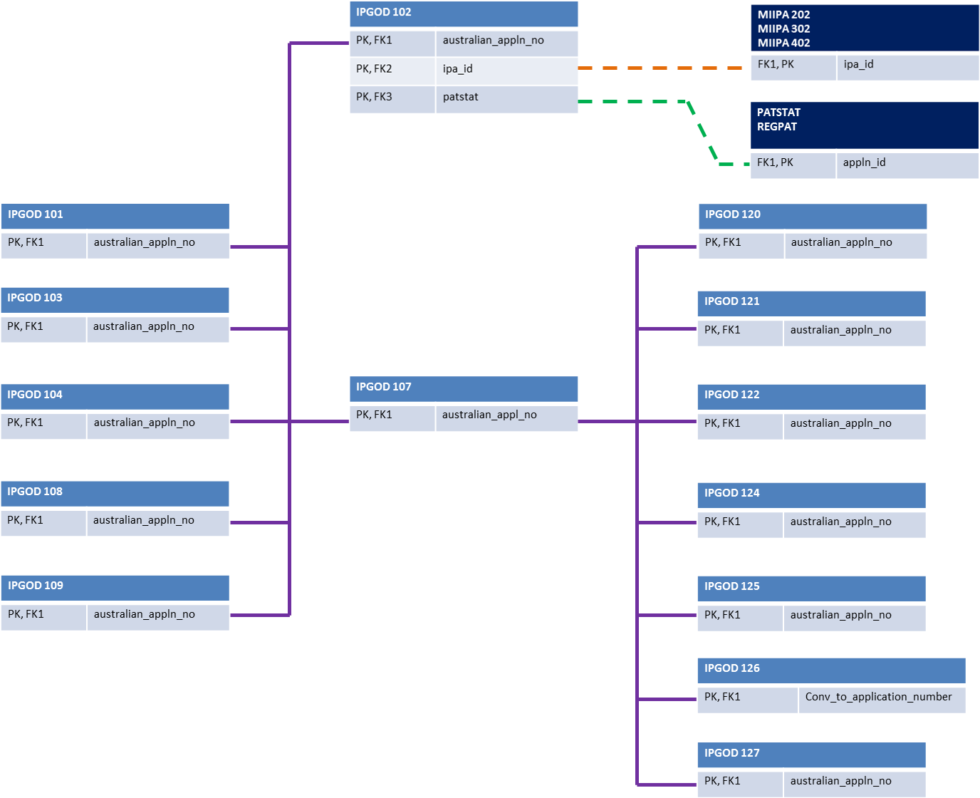

2xx
IPGOD 2xx Data Schema
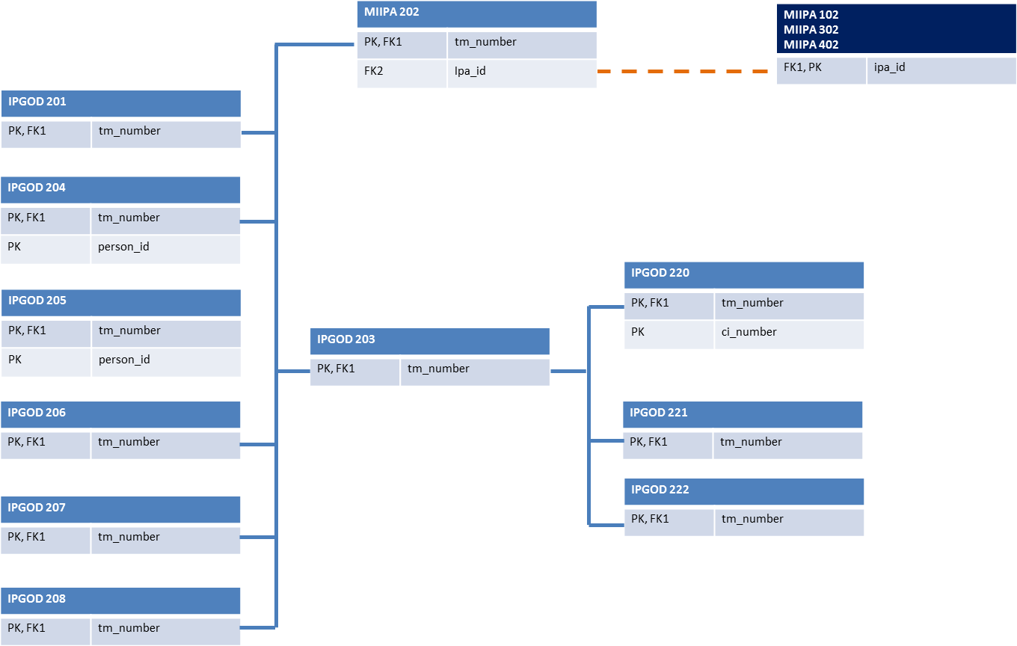

3xx
IPGOD 3xx Data Schema
